Sheet1
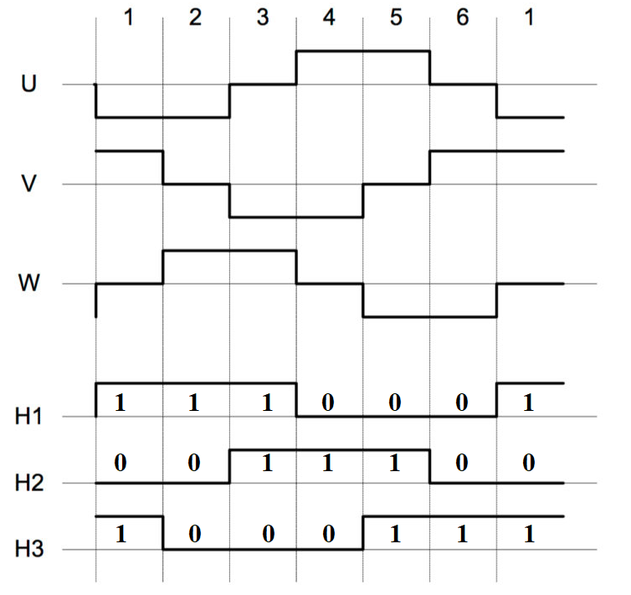
Hall sensors comes in a few types, pictured is a 60 degree encoding. 120 degree is another common type.

Good Wiring
Position | H1 | H2 | H3 | XOR |  | Encode
1 | 1 | 0 | 1 | f |  | 0x5
2 | 1 | 0 | 0 | t |  | 0x4
3 | 1 | 1 | 0 | f |  | 0x6
4 | 0 | 1 | 0 | t |  | 0x2
5 | 0 | 1 | 1 | f |  | 0x3
6 | 0 | 0 | 1 | t |  | 0x1
1 | 1 | 0 | 1 | f |  | 0x5

Check for Bad Wiring
Position | H3 | H1 | H2 |  |  | Encode
1 | 1 | 1 | 0 |  |  | 0x6
2 | 0 | 1 | 0 |  |  | 0x2
3 | 0 | 1 | 1 |  |  | 0x3
4 | 0 | 0 | 1 |  |  | 0x1
5 | 1 | 0 | 1 |  |  | 0x5
6 | 1 | 0 | 0 |  |  | 0x4
1 | 1 | 1 | 0 |  |  | 0x6
 |  |  |  |  |  |  | Encoding / Decoding |  |  |  |  |  |  |  |  |  |  |  | There are 6 possible combinations and sequences, but only 2 unique sets of sequences, the rest are position shifted versions of those two. If the hall tester knows where position 0 is supposed to be, then we can tell which wire is wrong. Just need to ask a human to confirm position zero, and we can determine if we are wired correctly.
Position | 1 | 2 | 3 | 4 | 5 | 6 | Phase 1 | Phase 2 | Phase 3 | Phase 4 | Phase 5 | Phase 6 | Duplicate Check |  |  |  |  |  | If you see these encoded sequences, inform user of the issue.
Forward | 5 | 4 | 6 | 2 | 3 | 1 | 546231 | 462315 | 623154 | 231546 | 315462 | 154623 | 3 | 3 | 3 | 3 | 3 | 3 | OK
Forward | 3 | 1 | 5 | 4 | 6 | 2 | 315462 | 154623 | 546231 | 462315 | 623154 | 231546 | 3 | 3 | 3 | 3 | 3 | 3 | H123 -> H231, phase shift
Forward | 6 | 2 | 3 | 1 | 5 | 4 | 623154 | 231546 | 315462 | 154623 | 546231 | 462315 | 3 | 3 | 3 | 3 | 3 | 3 | H123 -> H312, phase shift
Forward | 6 | 4 | 5 | 1 | 3 | 2 | 645132 | 451326 | 513264 | 132645 | 326451 | 264513 | 3 | 3 | 3 | 3 | 3 | 3 | H2 and H3 are reversed
Forward | 5 | 1 | 3 | 2 | 6 | 4 | 513264 | 132645 | 326451 | 264513 | 645132 | 451326 | 3 | 3 | 3 | 3 | 3 | 3 | H1 and H3 are reversed
Forward | 3 | 2 | 6 | 4 | 5 | 1 | 326451 | 264513 | 645132 | 451326 | 513264 | 132645 | 3 | 3 | 3 | 3 | 3 | 3 | H1 and H2 are reversed

